Window functions
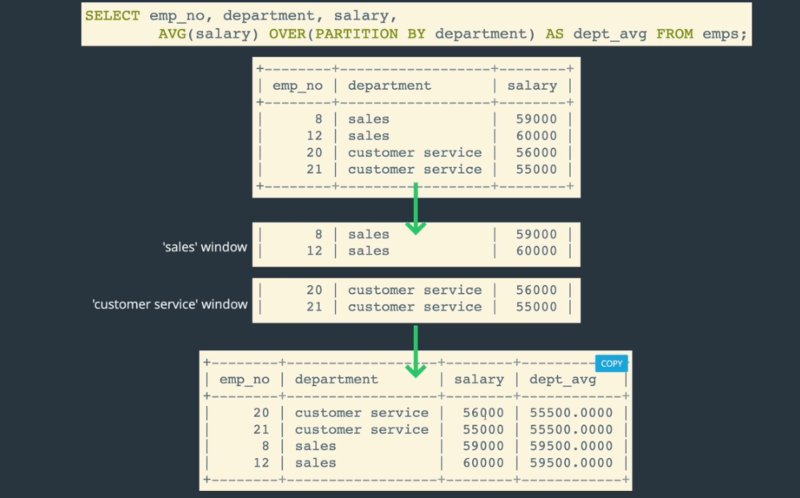

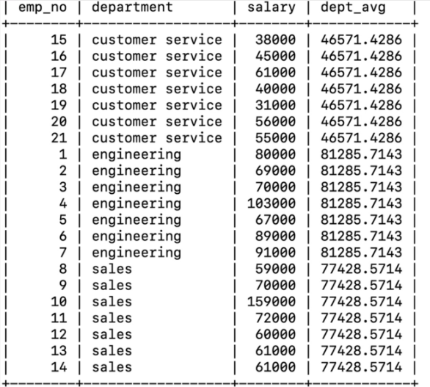

OVER BY |  | SELECT
PARTITION BY |  | emp_no,
 |  | department,
 |  | salary,
 |  | AVG(salary) OVER(PARTITION BY department) AS dept_avg,
 |  | AVG(salary) OVER() AS company_avg
 |  | FROM employees;

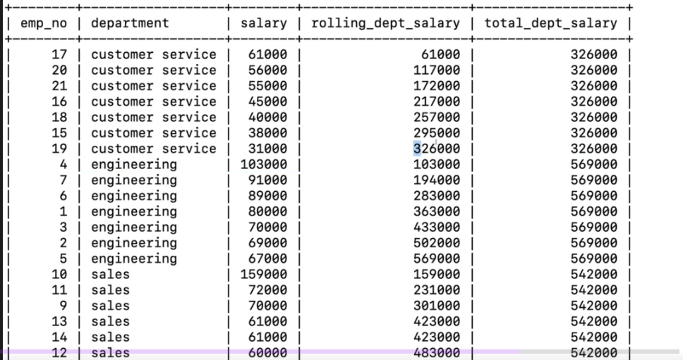
OVER BY with ORDER BY |  | SELECT
 |  | emp_no,
 |  | department,
 |  | salary,
 |  | SUM(salary) OVER(PARTITION BY department ORDER BY salary) AS rolling_dept_salary,
 |  | SUM(salary) OVER(PARTITION BY department) AS total_dept_salary
 |  | FROM employees;

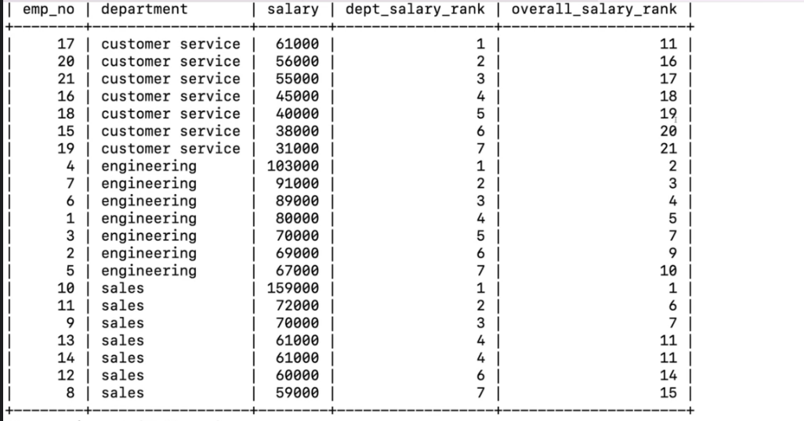
RANK() | SELECT
 | emp_no,
 | department,
 | salary,
 | RANK() OVER(PARTITION BY department ORDER BY salay DESC) as dept_salary_rank
 | RANK() OVER(ORDER BY salay DESC) as overall_salary_rank
 | FROM employees ORDER BY department;

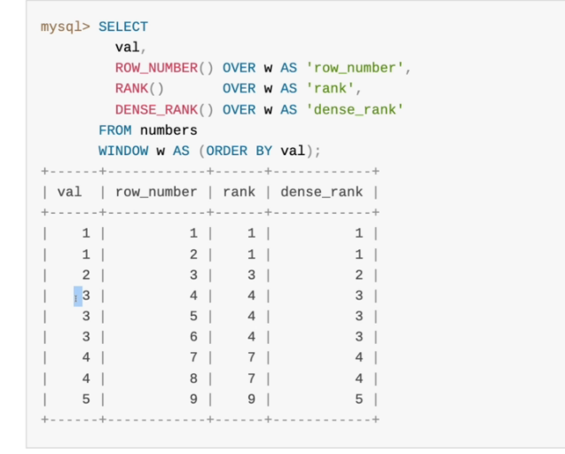
ROW_RANK() |  | dept_salary_rank,
DENSE_RANK() |  | RANK() OVER(ORDER BY salary DESC) as overall_rank,
 |  | DENSE_RANK() OVER(ORDER BY salary DESC) as overall_dense_rank,
 |  | ROW_NUMBER() OVER(ORDER BY salary DESC) as overall_num
 |  | FROM employees ORDER BY overall_rank;

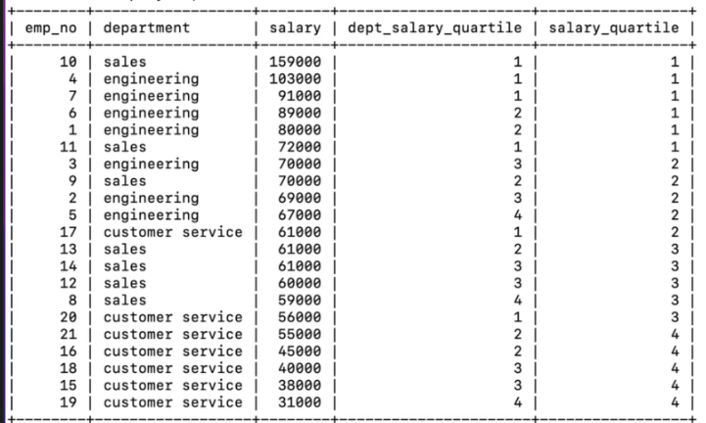

NTILE | SELECT
 | emp_no,
 | department,
 | salary,
 | NTILE(4) OVER(PARTITION BY department ORDER BY salary DESC) AS dept_salary_quartile,
 | NTILE(4) OVER(ORDER BY salary DESC) AS salary_quartile
 | FROM employees;

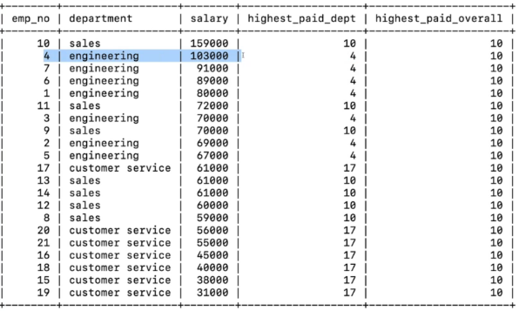
FIRST_ VALUE() | SELECT
 | emp_no,
NTH_VALUE() | department,
 | salary,
 | FIRST_VALUE(emp_no) OVER(PARTITION BY department ORDER BY salary DESC) as highest_paid_dept,
 | FIRST_VALUE(emp_no) OVER(ORDER BY salary DESC) as highest_paid_overall
 | FROM employees;

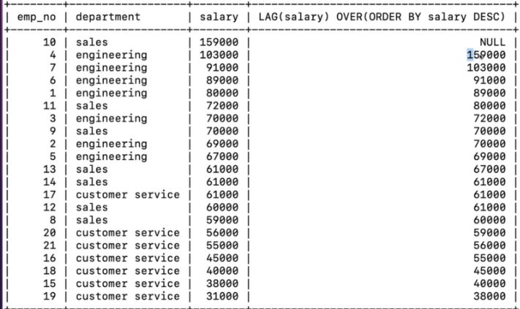
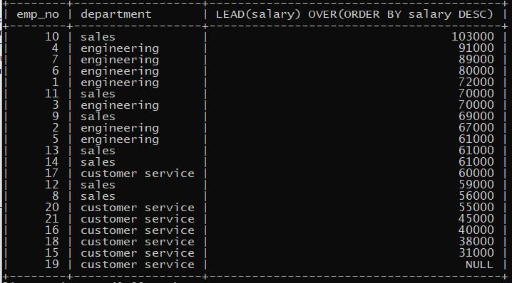
LAG() | SELECT |  | LAG | LEAD
 | emp_no,
 | department,
 | salary,
 | LAG(salary) OVER(ORDER BY salary DESC) as salary_diff
 | FROM employees;

LEAD() | SELECT
 | emp_no,
 | department,
 | salary,
 | LEAD(salary) OVER(PARTITION BY department ORDER BY salary DESC) as dept_salary_diff
 | FROM employees;

Data types
CHAR VARCHAR

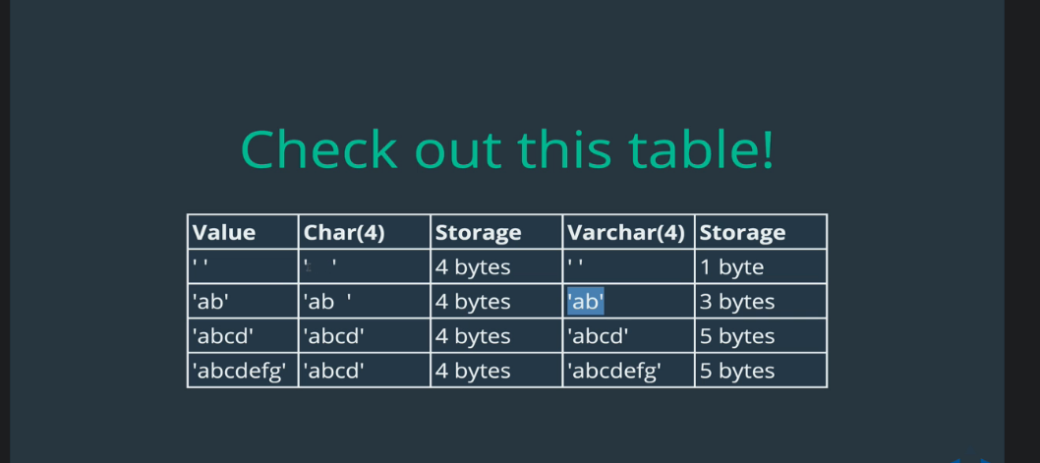
 |  |  |  |  | CREATE TABLE dogs (name CHAR(5), breed VARCHAR(10));

DECIMAL

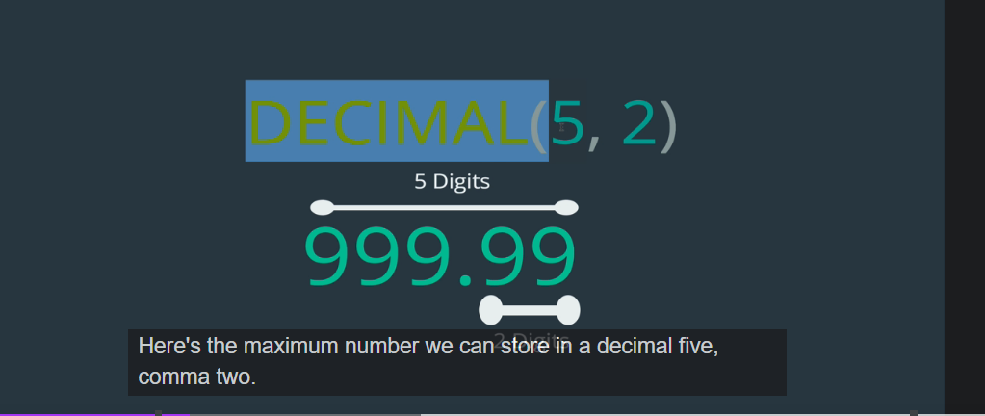
 |  |  |  |  | CREATE TABLE items(price DECIMAL(5,2));

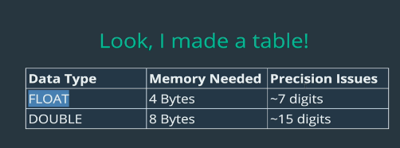
FLOAT

DATE TIME | doc link

 | CREATE TABLE people (name VARCHAR(100), birthdate DATE, birthtime TIME, birthdt DATETIME);
 | INSERT INTO people (name, birthdate, birthtime, birthdt) VALUES('Padma', '1983-11-11', '10:07:35', '1983-11-11 10:07:35');

 | Current date;
 |  | CURDATE(), CURTIME(), NOW();
 |  | INSERT INTO people (name, birthdate, birthtime, bithdt) VALUES ('Cole', CURDATE(), CURTIME(), NOW());

 | Date format
 |  | SECOND(<date_data_column>) | Секундын харуулна.
 |  | MINUT(<date_data_column>) | Минутыг харуулна. | SELECT name, birthtime, MINUTE(birthtime) FROM people;
 |  | HOUR(<date_data_column>) | Цагийг харуулна.
 |  | DAY(<date_data_column>) | Өдрийг харуулна.
 |  | MONTH(<date_data_column>) | Сарыг харуулна.
 |  | YEAR(<date_data_column>) | Жилийг харуулна.
 |  | DAYNAME(<date_data_column>) | Тухайн өдрийн гарагийг харуулна. | SELECT name, birthdate, DAYNAME(birthdate) FROM people;
 |  | DAYOFYEAR(<date_data_column>) | Тухайн жилийн хэд дэхь өдрийг харуулна.

 | DATA_FORMAT(<data_column>,<date_data>)
 |  | SELECT DATE_FORMAT(birthdt, 'Was born on a %W') FROM people;
 |  | SELECT DATE_FORMAT(birthdt, '%m/%d/%Y') FROM people;
 |  | SELECT DATE_FORMAT(birthdt, '%m/%d/%Y at %h:%i') FROM people;

 | DATE MATH
 |  | SELECT DATEDIFF(NOW(), birthdate) FROM people; |  | Огнооны зөрүүг олно.
 |  | SELECT name, DATE_ADD(birthdate, INTERVAL 10 SECOND ) FROM people;
 |  | SELECT name, birthdate + INTERVAL 1 MONTH FROM people;

TIMESTAMP

 | CREATE TABLE comments ( content VARCHAR(100), created_at TIMESTAMP DEFAULT NOW());
 | INSERT INTO comments(content) VALUES('I am studing sql');
 | CREATE TABLE comments2 (content VARCHAR(100), changed_at TIMESTAMP DEFAULT NOW() ON UPDATE CURRENT_TIMESTAMP);

One To Many
Relationship Basics
 | 1. One to One relationship |  |  | REVIEWS <--> CUSTOMERS
 | 2. One to Many relationship |  |  | BOOK <--> REVIEWS
 | 3. Many to Many relationship |  |  | AUTHOS <--> BOOK <--> REVIEWS

1:MANY The most common relationship
 | PRIMARY KEY |  | Хүснэгт дэхь утга нь дахин давтахгүй баганыг тодорхойлж өгнө.
 | FOREIGN KEY |  | Хүснэгтийг хооронд нь холбож өгөх баганыг тодорхойлж өгнө. |  | CREATE TABLE orders(
 |  |  |  |  | id INT AUTO_INCREMENT PRIMARY KEY,
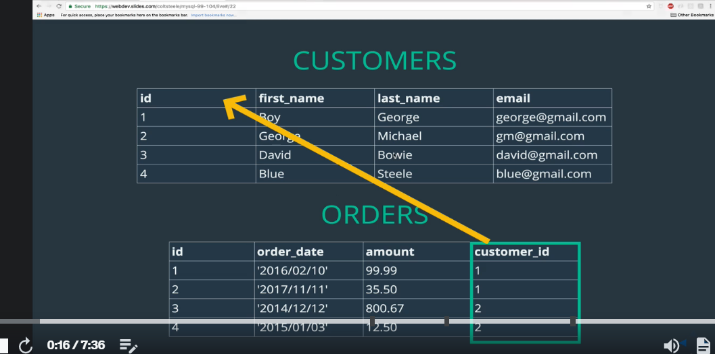
 |  |  |  |  | order_date DATE,
 |  |  |  |  | amount DECIMAL(8,2),
 |  |  |  |  | customer_id INT,
 |  |  |  |  | FOREIGN KEY(customer_id) REFERENCES customers(id)
 |  |  |  |  | );

CROSS JOIN
 | SELECT * FROM orders WHERE customer_id = ( select id from customers WHERE last_name = 'George' );
 | SELECT * FROM customers, orders;
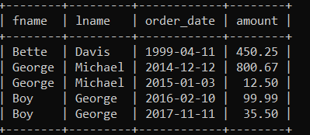
INNER JOIN |  |  |  |  |  | INNER JOIN
 | WITHOUT JOIN
 |  | SELECT * FROM customers, orders WHERE customers.id = orders.customer_id;
 |  | SELECT fname, lname, order_date, amount FROM customers, orders WHERE customers.id = orders.customer_id;
 | EXPLICIT INNER JOIN (JOIN , INNER JOIN адилхан)
 |  | SELECT * FROM customers INNER JOIN orders ON customers.id = orders.customer_id;
 |  | SELECT fname, lname, order_date, SUM(amount) FROM customers INNER JOIN orders ON customers.id = orders.customer_id GROUP BY orders.customer_id ORDER BY SUM(amount) DESC;

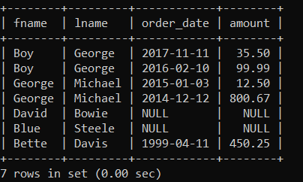
LEFT JOIN |  |  |  |  |  | LEFT JOIN
 | SELECT * FROM customers LEFT JOIN orders ON customers.id = orders.customer_id;
 | SELECT fname, lname, order_date, amount FROM customers LEFT JOIN orders ON customers.id = orders.customer_id;

 | IFNULL(<true_value>,<false_value>)
 | SELECT fname, lname, order_date, IFNULL(SUM(amount),0) FROM customers LEFT JOIN orders ON customers.id = orders.customer_id GROUP BY customers.id;

RIGHT JOIN
 | SELECT * FROM customers RIGHT JOIN orders ON customers.id = orders.customer_id;

ON DELETE CASCADE - customer устгахад давхар orders устдаг болно.
 | CREATE TABLE orders( id INT AUTO_INCREMENT PRIMARY KEY, order_date DATE, amount DECIMAL(8,2), customer_id INT, FOREIGN KEY(customer_id) REFERENCES customers(id) ON DELETE CASCADE );

Many To Many
Example

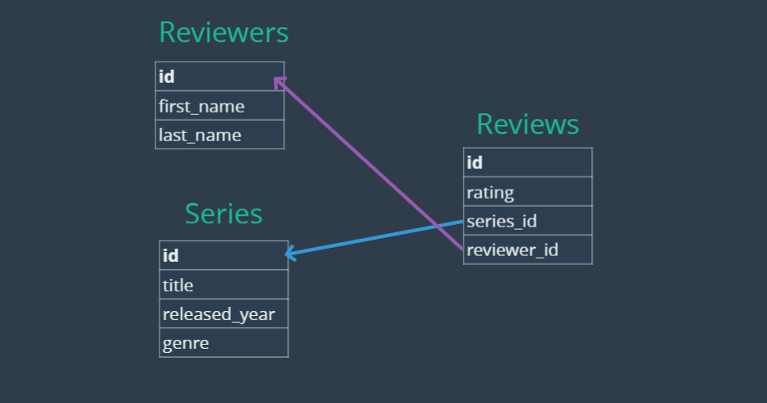

WHERE <column_name> is NULL;
 | SELECT title AS unreviewed_series FROM series LEFT JOIN reviews ON series.id = reviews.series_id WHERE rating IS NULL;
ROUND()
 | select genre, ROUND(AVG(rating),2) as avg_rating from series inner join reviews on series.id = reviews.series_id GROUP BY genre;

Instagram db
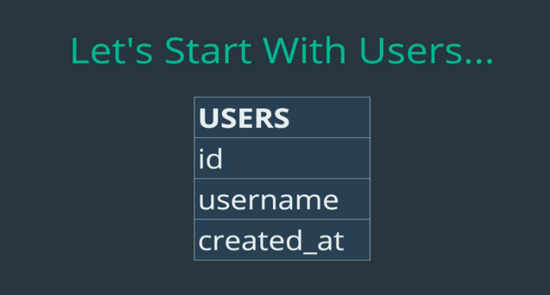
USERS TABLE
1 | CREATE TABLE users (
 | id INTEGER AUTO_INCREMENT PRIMARY KEY,
 | username VARCHAR(255) UNIQUE NOT NULL,
 | created_at TIMESTAMP DEFAULT NOW()
 | );

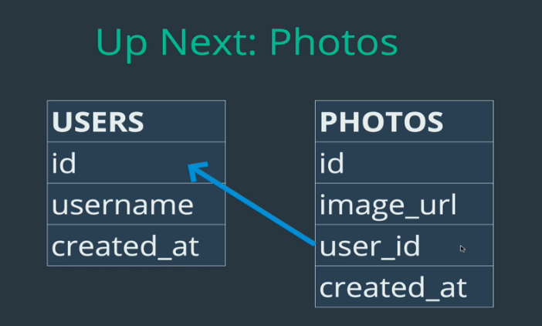
PHOTOS TABLE
2 | CREATE TABLE photos (
 | id INTEGER AUTO_INCREMENT PRIMARY KEY,
 | image_url VARCHAR(255) NOT NULL,
 | user_id INTEGER NOT NULL,
 | created_at TIMESTAMP DEFAULT NOW(),
 | FOREIGN KEY(user_id) REFERENCES users(id)
 | );

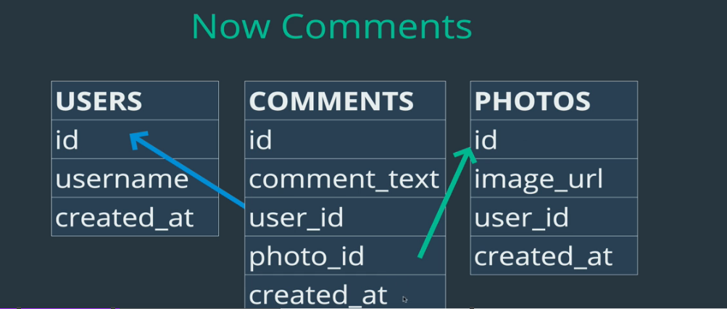
COMMENTS TABLE
3 | CREATE TABLE comments (
 | id INTEGER AUTO_INCREMENT PRIMARY KEY,
 | comment_text VARCHAR(255) NOT NULL,
 | photo_id INTEGER NOT NULL,
 | user_id INTEGER NOT NULL,
 | created_at TIMESTAMP DEFAULT NOW(),
 | FOREIGN KEY(photo_id) REFERENCES photos(id),
 | FOREIGN KEY(user_id) REFERENCES users(id)
 | );

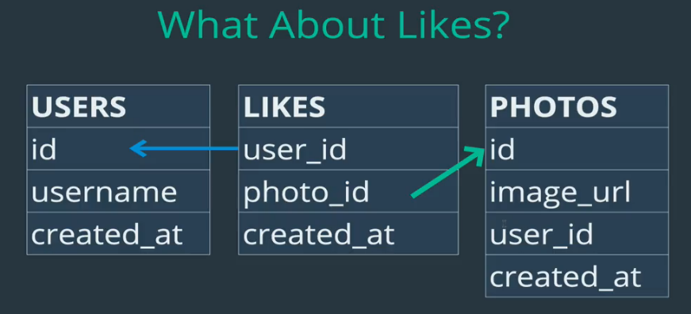
LIKES TABLE
4 | CREATE TABLE likes (
 | user_id INTEGER NOT NULL,
 | photo_id INTEGER NOT NULL,
 | created_at TIMESTAMP DEFAULT NOW(),
 | FOREIGN KEY(user_id) REFERENCES users(id),
 | FOREIGN KEY(photo_id) REFERENCES photos(id),
 | PRIMARY KEY(user_id, photo_id)
 | );

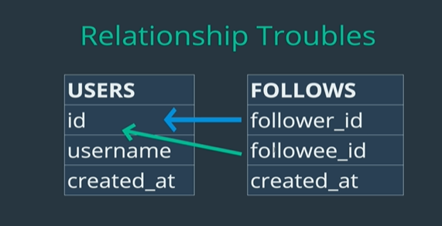
FOLLOWS TABLE
 | CREATE TABLE follows (
 | follower_id INTEGER NOT NULL,
 | followee_id INTEGER NOT NULL,
 | created_at TIMESTAMP DEFAULT NOW(),
 | FOREIGN KEY(follower_id) REFERENCES users(id),
 | FOREIGN KEY(followee_id) REFERENCES users(id),
 | PRIMARY KEY(follower_id, followee_id)
 | );

TAGS TABLE
 | CREATE TABLE tags (
 | id INTEGER AUTO_INCREMENT PRIMARY KEY,
 | tag_name VARCHAR(255) UNIQUE,
 | created_at TIMESTAMP DEFAULT NOW()
 | );

PHOTO_TAGS TABLE
 | CREATE TABLE photo_tags (
 | photo_id INTEGER NOT NULL,
 | tag_id INTEGER NOT NULL,
 | FOREIGN KEY(photo_id) REFERENCES photos(id),
 | FOREIGN KEY(tag_id) REFERENCES tags(id),
 | PRIMARY KEY(photo_id, tag_id)
 | );

TRIGGER
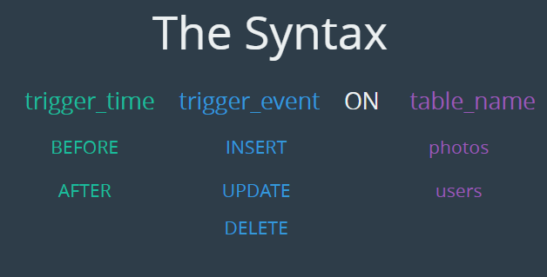
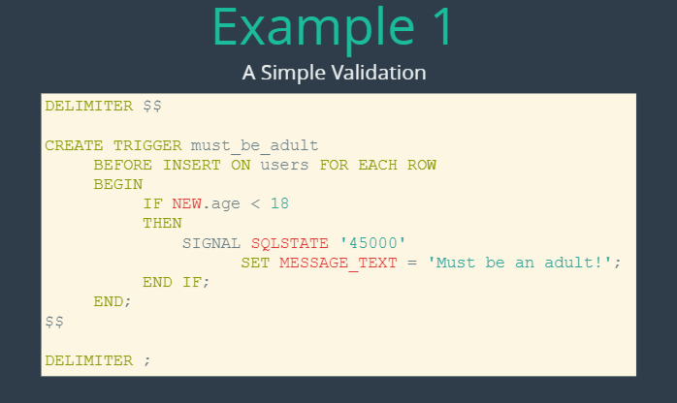
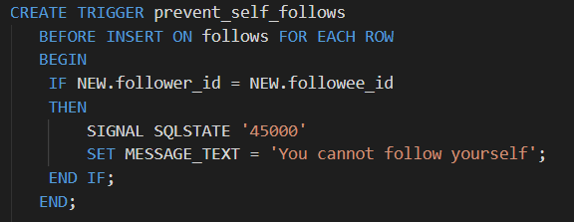
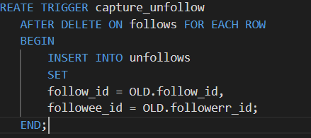
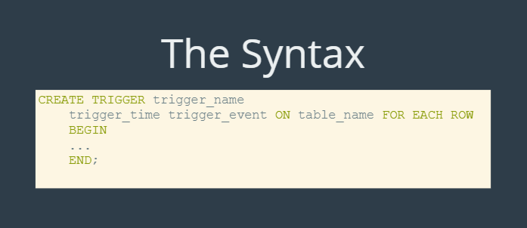

http://webdev.slides.com/coltsteele/mysql-113?token=uW3AQYWv#/8

